WV44W114
NOBLAND 봉제작업지시서 SEWING
UPDATED: | 21-Mar-23 | PSP'23, SVVW, WV44W114 CS
[ VIETNAM / INDONESIA ]

CONSTRUCTION

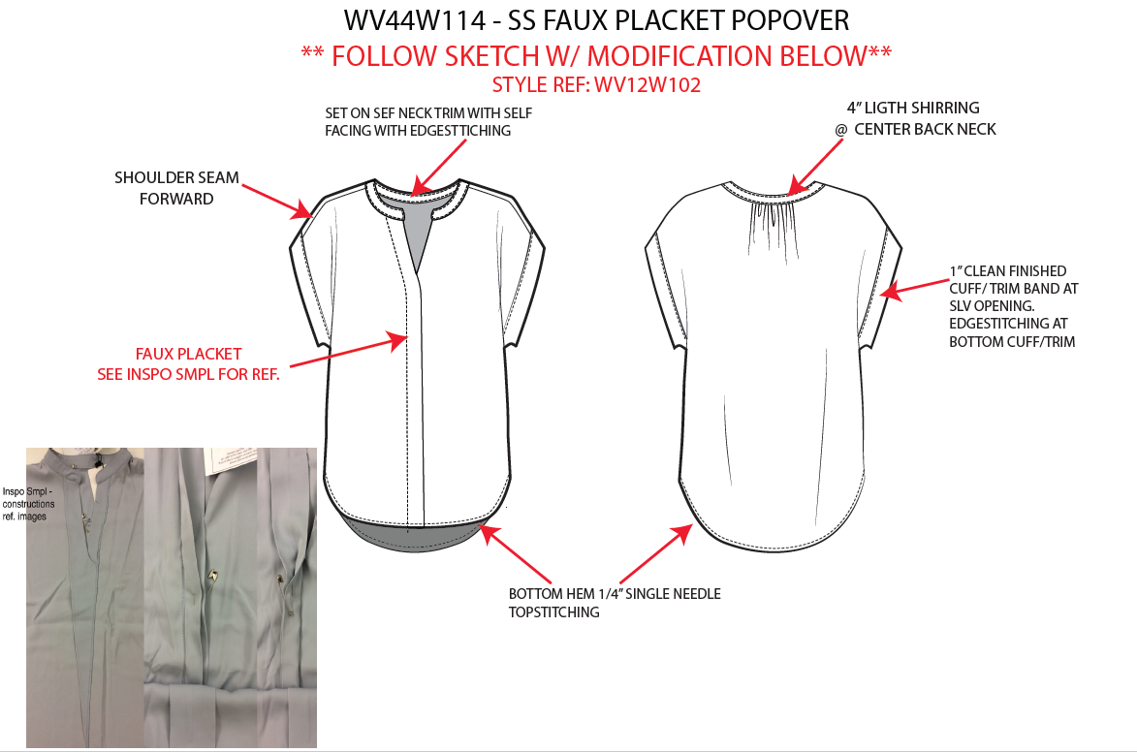

[

NO STITCH

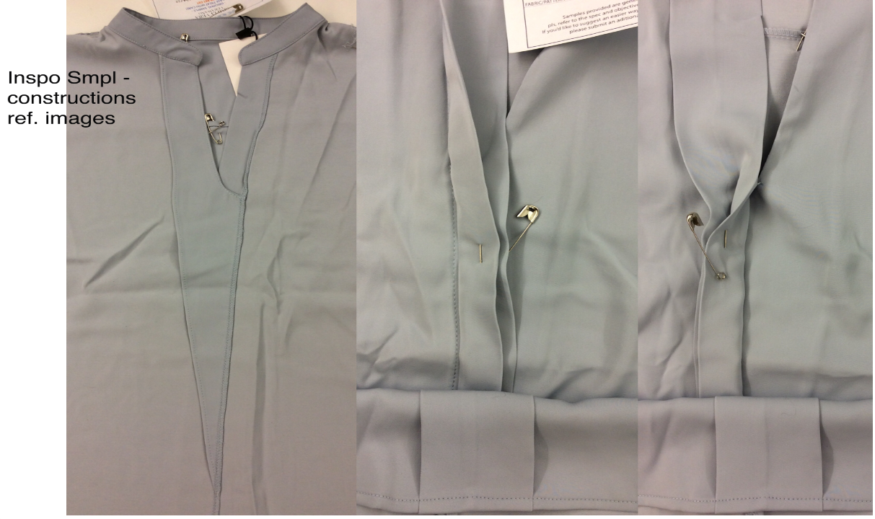 |  |  | 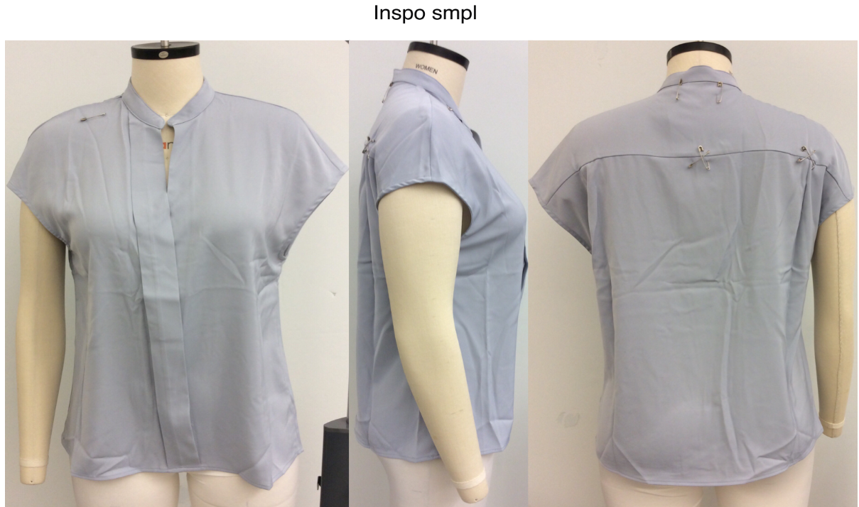

SPEC
***Be careful Extended, relaxed spec

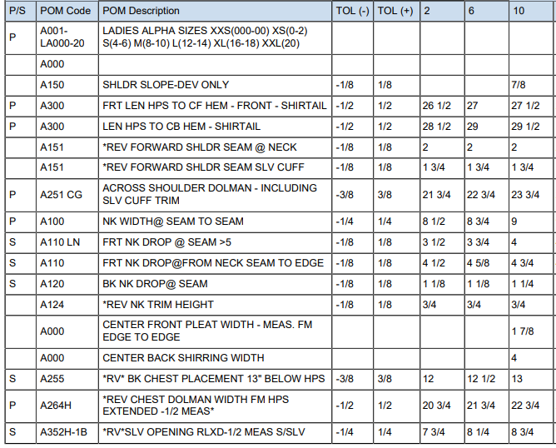

SPEC - W/O LINING

